시트1
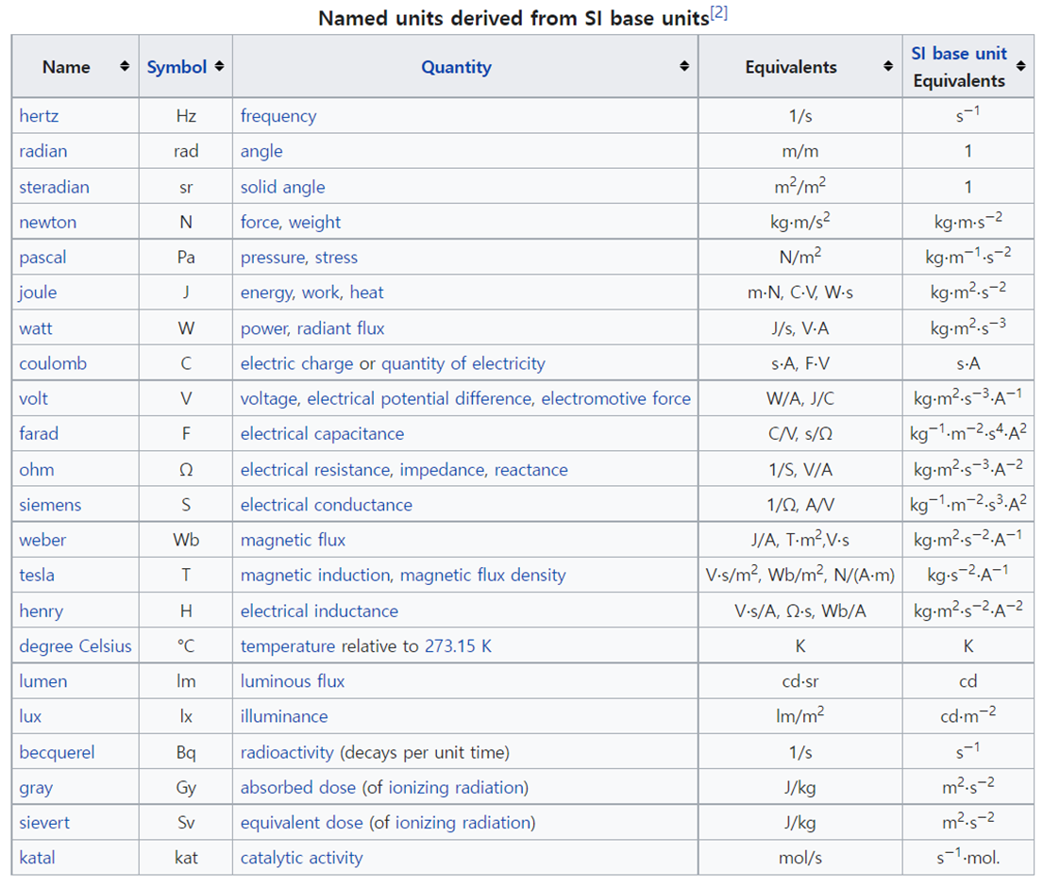
사용 unit 일람표

Time |  | Length |  | Mass |  | Electric Current |  | Thermodynamic Temperature / Energy |  | amount of substance |  | Luminous Intensity |  | Force / Pressure |  | Others
year | year | m | meter | kg | kilogram | A | Ampere | eV | electron volt | mol | mole | cd | candela | N | Newton | at.% | atomic per cent
d | day | cm | centi meter | g | gram | mA | milli Ampere | keV | kilo electron volt |  |  |  |  | uN | micro Newton | wt.% | weight per cent
h | hour | mm | milli meter | mg | mili gram | uA | micro Ampere | meV | mili electron volt |  |  |  |  | kgf | kilo gram force | ppm | part per million
min | minute | um | micro meter | m_{e} | electron mass | nA | nano Ampere | J | Joule |  |  |  |  | gf | gram force | % | per cent
s | second | nm | nano meter |  |  | pA | pico Ampere | kJ | kilo Joule |  |  |  |  | Pa | pascal | HR | Hardness scale
ms | mili second | Ang | Angstrom |  |  | V | volt | pJ | pico Joule |  |  |  |  | MPa | mega pascal | HB
ns | nano second |  |  |  |  | kV | kilo volt | W | watt |  |  |  |  | GPa | giga pascal | HV
fs | femto second |  |  |  |  | mV | milivolt | K | kelvin degree |  |  |  |  | Torr | Torr | HK
 |  |  |  |  |  | C | coulomb |  |  |  |  |  |  | bar | Bar | Jones | specific detectivity
 |  |  |  |  |  | uC | micro Coulomb |  |  |  |  |  |  | atm | atmosphere | Hz | Hertz
 |  |  |  |  |  | pC | pico Coulomb |  |  |  |  |  |  |  |  | kHz | kilo Hertz
 |  |  |  |  |  | e | charge of an electron |  |  |  |  |  |  |  |  | revolution | revolution, rotation
 |  |  |  |  |  | S | conductance (Siemens) |  |  |  |  |  |  |  |  | degree | geometric angle
 |  |  |  |  |  | Ohm | resistance |  |  |  |  |  |  |  |  | L | liter
 |  |  |  |  |  |  |  |  |  |  |  |  |  |  |  | mL | milli liter
 |  |  |  |  |  |  |  |  |  |  |  |  |  |  |  | cycle | number of repeat

red = 7 SI base units
The system allows for an unlimited number of additional units, called derived units, which can always be represented as products of powers of the base units, possibly with a nontrivial numeric multiplier. |  |  |  |  |  |  |  |  |  |  |  | Unit 표기 예시
Twenty-two coherent derived units have been provided with special names and symbols.
The seven base units and the 22 derived units with special names and symbols may be used in combination to express other derived units, which are adopted to facilitate measurement of diverse quantities.

